INSTRUCTIONS
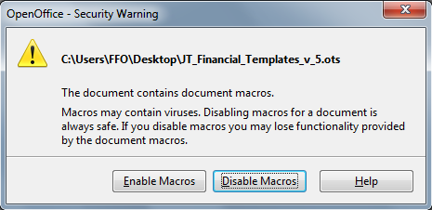
 | BEWARE |  | OVERVIEW: |  | SPECIAL NOTES |  | PROGRAMMING NOTES
 | Macros must be enabled for full functionality |  |  | Each Journey is required to plan, monitor and report on their activities. The following forms |  | If Macros are enabled, only the applicable worksheets and the
 | Refer to Macros Setting and Macros Enabling |  |  | are designed to help Journey Treasurers (JT) perform this function in a consistent and uniform |  | applicable Budget rows will appear when "Inbound" or | 1. | Differences between the Excel and the Calc templates:
 |  |  |  | fashion. |  | "Outbound" is selected in cell B1 of the Budget worksheet
 | Table of Content |  |  |  |  |  | a. | The Macros are written in a different language which are not
 |  |  |  | There is usually more involved in the reporting of an Inbound Journey than an Outbound |  | Macros must be enable for the Inbound Budget Report button to |  | compatible with each other (specially the API):
1.00 | Overview | D1 |  | Journey. The forms have been developed therefore to meet the needs of an Inbound Journey. |  | work |  | Excel macros are writen in Visual Basic for Applications
1.10 | Budget tab | D42 |  | Having said that, the same forms can equally be used for an Outbound Journey, although some |  |  |  | Calc macros are written in OpenOffice Basic
1.20 | Event Planner tabs | D63 |  | of the elements may not be populated. |  | All income should be recorded in column C of the journal as
1.30 | Journal tab | D70 |  |  |  | either Ambassador Receipts, Host Receipts or Miscellaneous | b. | Inbound Budget Report macros
1.40 | Outbound Detailed Tracking | D107 |  | We have developed a set of documents to allow the JT to properly plan, monitor and report on |  | Receipts with a detailed description in column H. | 1) | For Excel – The set of macros is located in Module6
1.50 | Inbound Detailed Tracking | D116 |  | the activities of their Journeys. For JTs with some computer skills and access to a computer
1.60 | Inbound Budget Summary | D134 |  | and Microsoft Excel or LibreOffice Calc, the forms have also been somewhat automated | SOFTWARE VERSIONS |  | i. | To access this set of macros, macros must be enabled, select
1.70 | Summary-Source and Use of Fund | D150 |  | where much of the work has been preprogrammed. |  | The Excel version of the templates were developed and work on |  | “Developer” tab, select Macros,
1.80 | Own Use | D160 |  |  |  | Excel 2007 in a windows environment and which has an xlsm |  | select “Inbound_Budget_Report” which is the main macro,
2.00 | Worksheet Protection | D163 |  | The yellow shaded cells of the worksheets are where user inputs data. |  | extension. The templates were also tested on Excel for Macintosh. |  | select “Edit”; then scroll up to view the global declarations.
3.00 | Macros Setting | D203 |  | The light yellow shaded cells of the Budget and Event Planner tabs contains formulas to |  | A tested version is also available for LibreOffice and OpenOffice Calc
3.10 | Macros Enabling | D335 |  | automatically insert the number of Ambassadors from cell I2 of the Budget tab. These cells are unlocked |  | in a windows environment for anyone who does not have Excel. | ii. | To connect the Inbound Budget Report button to the macro,
4.00 | Special Notes | G1 |  | are unlocked allowing the user to insert different numbers as required. |  | LibreOffice is a more updated version of OpenOffice. Both are free. |  | Unprotect the Inbound Budget report worksheet,
5.00 | Software Versions | G13 |  | The light blue shaded cells contain user instructions and are protected to prevent accidental |  | Each is an office suite which basically mirrors the Microsoft Office |  | Select the “Developer” tab, Click “Design Mode” on,
6.00 | Template Versions | G26 |  | changes or erasures. |  | suite with Calc being the spreadsheet. |  | Right Click on the “Click Here to automatically fill-out this
 |  |  |  | Unhighlighted cells contain formulas and are protected to prevent accidental changes or |  | LibreOffice / OpenOffice requires a vesion of the templates different |  | worksheet” button, Select “Assign Macro...”, select
 |  |  |  | erasures. |  | from Excel because they use a different language than Excel for |  | “Inbound_Budget_Report” which is the main macro, then
 |  |  |  |  |  | coding macros. |  | click “Design Mode” off.
 |  |  |  | We have also provided a sample completed documents which one can follow to see how
 |  |  |  | everything links together. See Toolbox on FFO website | TEMPLATE VERSIONS |  | 2) | For LibreOffice Calc – The set of macros for this function
 |  |  |  |  |  |  |  | is located in Module1.
 |  |  |  | The following instructions will detail and provide guidance for the completion of each of the | 2019-02-24 VERSION 5
 |  |  |  | documents. We have tried to make it as clear as possible and also make it applicable for both |  |  | i. | To access this set of macros, macros must be enabled, select
 |  |  |  | manual and electronic completion. Each FORM or DOCUMENT to be completed manually | General |  |  | the “Tools” tab, select “Macros”, select “Edit Macros”
 |  |  |  | is represented by a TAB in Excel. If you are familiar with Excel, you know what TABs are. If | 1. | Made formulas compatible to both Excel and Calc. |  | Click on the “+” icon to expand the name of the spreadsheet
 |  |  |  | you are not familiar with Excel, you only have to think of a TAB as representing a | 2. | Two versions of the template are required and created, one for Excel |  | such as “JT_Financial_Templates_v_5.ods”, click on the
 |  |  |  | DOCUMENT. EG the Budget Tab is the same as saying the Budget Document. |  | and the other for Calc because: |  | “+” icon of “VBAProject”, click on the “+” icon of
 |  |  |  |  |  | a) they each use different mean to create the active button that |  | “Modules”, click on the “+” icon of “Module1”, double
 |  |  |  | There are two main documents to be completed by the JT, the Budget and Journal documents. |  | initiate the macros for filling the Inbound Budget Report, |  | click on “Inbound_Budget_Report” which is the main
 |  |  |  | There is also detailed accounting documents to manage payment and expenses of FFO |  | b) they use a different way to link the required trigger to the macro |  | macro for this function. then scroll up to view the global
 |  |  |  | personnel (one for outbound and a different one for inbound journeys). For inbound, Event |  | used for diplaying only the Budget elements associated with either |  | declarations.
 |  |  |  | Planners are available to help plan more complex events that are represented in the Budget as a |  | an Inbound or an Outbound journey;
 |  |  |  | single line as opposed to the many, many components of the event. The following explains each |  | c) they use a different programming language to code the required | ii. | To connect the Inbound Budget Report button to the macro,
 |  |  |  | documents. |  | macros; and |  | unprotect the Inbound Budget Report worksheet,
 |  |  |  |  |  | d) different instructions are required nad provided to amend the |  | select the “Tools” tab, select “Forms”,
 |  |  | BUDGET tab |  |  | name of each Event planner tab. |  | select “Design Mode” to turn it on, right click on the button,
 |  |  |  | The Budget tab contains the results of the 6 Event Plans and some standard revenues and |  |  |  | select “Control...”, select “Event” tab, select the “...”
 |  |  |  | expenses (where the first column indicates weather the item applies to inbound, outbound or | Budget tab |  |  | button for “Execute action”, left click on “Macro...”,
 |  |  |  | both types of journeys), plus there are sufficient additional spaces to add other revenues and | 1. | Minor errors corrected |  | Click on the “+” icon to expand the name of the spreadsheet
 |  |  |  | expenses that are not complex in nature. Items similar to gift bags, photos, and booklets. | 2. | Added a field in cell I2 to input the number of ambassador such that |  | such as “JT_Financial_Templates_v_5.ods”, click on the
 |  |  |  |  |  | a change to this number would be replicated in cells D15, D21, D22, |  | “+” icon of “VBAProject”, click on “Module1”, click on
 |  |  |  | It also contains a section setup to calculate exchange rate conversion for both CAD to USD for |  | D25, D30 and G19 when the associated condition is met. |  | “Inbound Budjet Report”, click “OK”, click “OK”, close
 |  |  |  | an inbound exchange and various currencies to CAD for an outbound exchange. | 3. | Created the light yellow cells which are not locked and contain |  | the “Properties: Push Button” menu; select the “Tools” tab,
 |  |  |  | Budgeting is the single most important part of having a successful journey. Poor budgeting |  | a formula that the user can overide by entering either another |  | Select “Forms”, and select “Design Mode” to turn it off.
 |  |  |  | (planning) can lead to some unpleasant surprises. The purpose of the Event planner is NOT |  | formula or a number.
 |  |  |  | to provide the AC/HC/JT with an all encompassing list. Rather, it is to provide a memory |  |  | c. | Budget Inbound/Outbound Selection macro
 |  |  |  | jog so one thinks of the possible things they need to plan for. | Journal tab
 |  |  |  |  | 1. | Middle aligned the text in rows 3 to 76 for better optic when the | 1) | For Excel – the macro is located on Sheet2(BUDGET)
 |  |  |  | For example, some of the things that have been forgotten in the past include: |  | comment in a row requires multiple lines.
 |  |  |  | -forgetting to include taxes | 2. | Amended the title of column D, E and F | i. | To access this macros, macros must be enabled, right click
 |  |  |  | -forgetting to include exchange rates or take into account fluctuating exchange rates | 3. | Formatted columns I and J, to ease the reconciliation with the bank |  | on the “BUDGET” tab, and select “View Code”.
 |  |  |  | -forgetting to include tips for staff |  | statement
 |  |  |  | -forgetting to include miscellaneous items like postage/stationary/etc. |  |  | ii. | The connection to the macro is related to the name of the
 |  |  |  |  | Event Planner tabs |  |  | macro, in this case, the macro is accessed when the content
 |  |  |  | Note that cell B1 contains a drop-down list to select either Inbound or Outbound | 1. | Cell F19 has a formula to get the number of Ambassadors from the |  | of a cell in the “BUDGET” tab is changed. Access the
 |  |  |  |  |  | Cell I2 of the Budget worksheet. |  | macro as per c. 1) i. above.
 |  |  | EVENT Planner tabs |  |  |  |  | In the left dropdown menu select “Worksheet”, in the right
 |  |  |  | There are 6 Event Planning tabs. Use these tabs to plan more complex events such as the | Outbound Details |  |  | drop down menu, select the type of trigger, in this case
 |  |  |  | Welcome and Farewell parties. The Event Planners are detailed enough to ensure one captures | 1. | Reordered and added more payments and expenses columns |  | “Change” which created the stub into which to write the
 |  |  |  | all anticipated expenses and revenues. There are blank lines for additional items or one can | 2. | Locked the uncoloured cells |  | macro. Since the required actions are to be peformed only
 |  |  |  | change the description of an unused item. Place the name of the event in the cell C1. All data | 3. | More entries added to Shared cost items (L40 - M51) |  | when the content of cell “B1” is changed, therefore the first
 |  |  |  | transfers to the Budget worksheet. | 4. | Corrected the formula of cell M52 to include the first row of Shared |  | lines of code is to bypass the main body of the code when
 |  |  |  |  |  | cost items as part of the addition. |  | there are no change to the content of cell “B1”.
 |  |  | JOURNAL tab
 |  |  |  | Once the Budget is completed and approved by the Journey's planning committee, then the next | 2018-06-10 VERSION 4 |  | 2) | For LibreOffice Calc – The set of macros for this function
 |  |  |  | element is to maintain a Journal of actual receipts and expenditures. This Journal is similar to |  |  |  | is located in Module1.
 |  |  |  | a bank book that records the entries of the journey. It starts with an opening balance and then | Instructions tab
 |  |  |  | one simply adds cheques or deposits to the Journal as they occur. | 1. | Added the description for the new tab Inbound Budget Summary | i. | To access this set of macros, macros must be enabled, select
 |  |  |  |  |  |  |  | the “Tools” tab, select “Macros”, select “Edit Macros”
 |  |  |  | When completing, it is suggested that the Deposit slips be numbered starting with 101 (to | Budget tab |  |  | Click on the “+” icon to expand the name of the spreadsheet
 |  |  |  | difference them from cheque #) and that these numbers be used in the Journal entry as cross- | 1. | Added input field in F2 to enter departure date |  | such as “JT_Financial_Templates_v_5.ods”, click on the
 |  |  |  | references in the Deposit # column. If writing a cheque, include the cheque number in the | 2. | Amended formulas of cells I6-I14 such that the number of Hosts will |  | “+” icon of “VBAProject”, click on the “+” icon of
 |  |  |  | cheque number column but also include the invoice/receipt number of the document that |  | be displayed only when the filled entries of an action planned tab |  | “Modules”, click on the “+” icon of “Module1”, double
 |  |  |  | supports the payment. |  | contain the same number of Hosts |  | click on “Budget_Cell_B1_Content_Change” which is the
 |  |  |  |  | 3. | Amended formulas of cells J6-J14 such that the total of the Host cost |  | main macro for this function. Then scroll up to view the
 |  |  |  | There are two additional columns, an Item column and a Description column: |  | unit prices will be displayed when the filled entries of an action |  | global declarations.
 |  |  |  |  |  | planned tab contain the same number of Hosts
 |  |  |  | The Item column is special. If you look at the bottom of the page under the Journal, you will | 4. | Amended formulas of cell M50 to roundup to the next cent the | ii. | The connection of the macro is trough a Calc event, in this
 |  |  |  | note the column contains the budget descriptions is also called Item. Whenever one inputs an |  | total Ambassadors' cost divided by the number of Ambassadors |  | case, the macro is accessed when the content of a Budget tab
 |  |  |  | entry in the Journal, they need to indicate to which budget Item it applies. The spelling must | 5. | Amended formulas of cell M49 to roundup to the next dollar the |  | cell is changed.
 |  |  |  | be exact. This allows a Summary Source and Use of Funds statement to be produced |  | Ambassador's cost in Canadian dollar divided by the exchange rate |  | To connect the macro to “Change” event of the BUDGET
 |  |  |  | automatically. An easy way to match the exact spelling is enter the cell such as "=C$84" which | 6. | Amended formulas of cell M46 to be the rounded Ambassador's cost |  | tab, Right click on the Budget tab, select “Sheet Event...”,
 |  |  |  | means the content of column C row 84 for "Ambassador Receipts". |  | multiplied by the number of Ambassadors |  | Scroll down the set of events and select “Content changed”,
 |  |  |  |  | 7. | Put label on left of input cells for Journey # and arrival/departure |  | left click on the “Macro...” button, Click on the “+” icon to
 |  |  |  | The Description column allows one to provide some detail of what the entry represents. |  | dates |  | expand the name of the spreadsheet such as
 |  |  |  |  | 8. | Added currency conversion area for second outbound hosting |  | “JT_Financial_Templates_v_5.ods”, click on the “+” icon of
 |  |  |  | There are 75 lines for input which should be sufficient. Additional lines can be added | 9. | Added ability to select currency type for both outbound hostings |  | “VBAProject”, click on the “+” icon of “Modules”, click
 |  |  |  | once the Journal sheet is unprotected (see row 8 above) but one must remember to copy down |  |  |  | on “Module1”, Left click on
 |  |  |  | the formulas in the Accumulated Total column. | Journal tab |  |  | “Budget_Cell_B1_Content_Change” which is the main
 |  |  |  |  | 1. | Removed "FFO Journey Registration Fee" and |  | macro for this function. Then click the “OK” button to exit
 |  |  |  | At the bottom of the Journal, there is a Summary that adds all numbers according to the Item |  | "Assured Space Deposit" from list of expense items because they are |  | the “Macro Selector” panel and again to exit the
 |  |  |  | descriptions typed. Note however that this only totals Items that the item name agrees with an |  | income items to be recorded as "Ambassador Receipts" |  | “Assign Action” panel.
 |  |  |  | Item name from the Budget. Therefore, if one types an Item that is not in the Budget (or not | 2. | Added 25 extra input lines
 |  |  |  | spelled the same), it will not add it in the Summary on this tab and it will generate the error |  |  | d. | For the Calc version, special instructions on how to rename
 |  |  |  | message "ERROR, Item name does not match Budget", highlighted in red. If all Items are | Event Planner tabs |  |  | each Event Planner worksheet are provided in each Event
 |  |  |  | typed properly, then the message "Item names match Budget" highlighted in green, will be | 1. | Replaced "Ambassador" for the event name in cell G19 |  | Planner worksheet.
 |  |  |  | displayed. | 2. | Locked cell H19 and amended its formula to subtract from the total
 |  |  |  |  |  | event cost, the Ambassador's cost and the miscellaneous sources of | e. | Note that I made all the changes to the macros, the button
 |  |  |  | If it is discovered that an item was missed in the budgetting process, just add the item name in |  | funds, then dividing the result by the number of ambassadors |  | and the links to the macros using LibreOffice, that is why in
 |  |  |  | the Budget tab without a budget amount which will result in a "Item names match Budget" message. | 3. | Added two extra Host cost entries to account for up to three cost |  | the above, I did not provide the instructions for OpenOffice.
 |  |  |  | message. |  | activities attended by Hosts during an event (cells F25-I26)
 |  |  |  |  | 4. | Cells G24-G26 were unlocked to allow user entry of the
 |  |  | Outbound Detailed Tracking |  |  | Ambassador's cost item which must match one of the cost items
 |  |  |  | This tab tracks outbound journey income and expenses associated with each Ambassador. |  | listed in column B, otherwise an error message is displayed
 |  |  |  | The crosscheck indicate an error resulting in rounding the balance amount to two decimal.
 |  |  |  | If the cross check is less than zero, 0ne cent must be substracted from the balance of one or | Inbound Budget Report tab
 |  |  |  | more individual untill the crosscheck reach zero. If rhe crosscheck is greater than zero then the | 1. | New tab added to provide concise budget information to present at
 |  |  |  | cent must be added. |  | the committee meetings

 |  |  | Inbound Detailed Tracking |  | Summary-Source and Use of Funds tab
 |  |  |  | This tab tracks incomes and expenses by individual FFO member signing-up/participating in BUT NOT by | 1. | Removed "FFO Journey Registration Fee" and
 |  |  |  | the inbound journey events that are not free of charge; including any subsaequen tcancellations. |  | "Assured Space Deposit" from list of expense items because they are
 |  |  |  |  |  | income items accounted as "Ambassador Receipts"
 |  |  |  | In row 1, replace "Event Name" with the actual event name
 |  |  |  | In row 2, replace "Cost/pers." with event actual cost per person when known | 2018-05-31 VERSION 3B
 |  |  |  | In row 3-60, enter the participanl's name and the amount paid for each event they participate
 |  |  |  | In the remark column identify the bank deposit the payment is part. If an individual makes | Instructions tab
 |  |  |  | two payments that are part of different bank deposits include the amount for each deposit. | 1. | Added a note for cell B1 drop-down list

 |  |  |  | If an individual subsequently cancel from an event and a full amount for an event is refunded | Budget tab
 |  |  |  | in accordance with the JT guidelines, indicate the activity(ites) being withdrawn and reference | 1. | Moved the critical dates to enable a longer Journey name
 |  |  |  | the refund cheque; then delete that amount paid from the cancelled activiries. | 2. | Amended Column A to indicate whether the budget line is
 |  |  |  |  |  | applicable to Inbound, Outbound or both types of journey
 |  |  |  | If an individual pays for another person, the paid activity(ies) are marked as if the individual | 3. | Amended cell B1 into a drop-down list to choose eiher Inbound or
 |  |  |  | paid for himself, but indicate in the remark column the amount and who actually made the |  | Outbound. Cells W2-W4 contain the list
 |  |  |  | payment. | 4. | Added missing formula in cell E17, H17 & N17
 |  |  |  |  | 5. | Unlocked cells O15 to O20 for data input
 |  |  | Inbound Budget Summary |  | 6. | Amended formula of cells M46, M49, M56 & M59 to round up
 |  |  |  | This tab provides the budget information in a concise format for presentation at committee |  | to the nearest dollar.
 |  |  |  | meetings. | 7. | Switched B30 with B31 to keep B31 and B32 together
 |  |  |  |  | 8. | Locked cells C18, C31-C32, D18, D31-D32, F18, F31-F32, G18,
 |  |  |  | An error will be displayed and the cell selected for: |  | G31-G32, I23-I32, J23-J32, L18, L30-L32, M18, M30-M32, O18
 |  |  |  | a) a budget worksheet without an arrival or departure date, an inbound exchange rate or |  | and O31-O32 because B18, B31 and B32 budget names are required
 |  |  |  | number of Ambassadors; and |  | for journaling purposes only.
 |  |  |  | b) an event worksheet containing expenses without the event date | 9. | Deleted the formula from E18-E20, E31-E32, H18, H31-H32,
 |  |  |  | and the report will abort to allow the user to make the appropriate change. |  | K23-K32 and N18, N30-N32 because associated C & D, F & G,
 |  |  |  |  |  | I & J and L & M are locked and contain no data
 |  |  |  | Note For the button initiating the macros to work, macros must be enabled. With the | 10. | Frozen pane at C6 such that top and left headers are always in view
 |  |  |  | Disable macros with notification setting, you get a security alert if there are macros present.
 |  |  |  | This way, you can choose to enable these macros on an as required basis. | Event Planner tabs
 |  |  |  | Macro settings are located in the Trust Centre under Excel options accessible through the Office Button (top left corner) | 1. | Amended cell B2 to contain its tab name followed by the
 |  |  |  | Office Button (top left corner). |  | abbreviated day of the week of the date in cell B1 and the date from
 |  |  |  |  |  | cell B1, if B1 contains a valid date. Otherwise "Above date is
 |  |  | SUMMARY-SOURCE AND USE OF FUNDS tab |  |  | invalid" will be displayed.
 |  |  |  | The Summary-Source and Use of Funds tab generates a report that takes budgeted numbers
 |  |  |  | from the Budget tab and actual numbers from the Journal tab and consolidates everything into | Summary-Source and Use of Funds tab
 |  |  |  | a single Journey Report showing Actual vs Budgets and Variances. This report is entirely | 1. | Corrected the formula of cells E37-E44
 |  |  |  | formula driven and does not require any input.
 |  |  |  |  | Outbound Details
 |  |  |  | If however you are completing the documents by hand, this report will also need to be | 1. | Corrected the formula in cells O3-O8
 |  |  |  | completed. The objective is to categorize and add up all entries for each category to be | 2. | Added the double line below cell O26
 |  |  |  | compared to the same categories in the budget. | 3. | Reformatted the Withdrawal area - Cells D33 - J51

 |  |  | Own Use Tab |  | Inbound Details
 |  |  |  | You can add additional tab(s) to track any other details, as required | 1. | Amended the number format of E3-E71 and B73-I73 to display any
 |  |  |  |  |  | negative numbers in red
 |  |  | Worksheet Protection
 |  |  |  | The spreadsheets are protected to prevent accidental changes or erasures of formulas. | 2018-05-04 VERSION 3
 |  |  |  | If required, they can be unprotected for Excel by going to Home/Format/Unprotect Sheet;
 |  |  |  | for LibreOffice Calc by going to Tools/Protect Sheet… and | Instructions tab
 |  |  |  | for OpenOffice Calc by going to Tools/Protect Document/Sheet… | 1. | Added section for template versions describing the changes
 |  |  |  | There are no passwords required. |  | implemented
 |  |  |  |  | 2. | Reformatted to one line of text per row
 |  |  |  | Excel | 3. | Corrected the explanation of the Journal tab error message
 |  |  |  |  | 4. | Added the explanation to obtain a crosscheck = 0 for the Outbound
 |  |  |  |  |  | Details tab

 |  |  |  |  | Budget tab
 |  |  |  | LibreOffice Calc | 1. | Amended the background of cell containing instructions to light blue

 |  |  |  |  | Journal tab
 |  |  |  |  | 1. | Amended the background of cell containing instructions to light blue
 |  |  |  | OpenOffice Calc
 |  |  |  |  | Event Planner tabs
 |  |  |  |  | 1. | Amended the background of cell containing instructions to light blue

 |  |  |  | Use the same sequence to reprotect the unprotected worksheet: | Outbound Details tab
 |  |  |  | for Excel by going to Home / Format / Protect Sheet and click "OK" on the popup dialog; | 1. | Inserted Column E for FFI payments
 |  |  |  | for LibreOffice Calc by going to Tools / Protect Sheet… and click "OK" on the popup | 2. | Renamed Column F for Host program payment
 |  |  |  | dialog; and | 3. | Inserted Column L as an extra column for possible other expenses
 |  |  |  | for OpenOffice Calc by going to Tools / Protect Document / Sheet… and click "OK" on | 4. | Amended the formula of each cells of column M to include the
 |  |  |  | the popup dialog. |  | added columns E and L
 |  |  |  |  | 5. | Added the crosscheck and associated formula and explanation of the
 |  |  |  | Excel |  | result

 |  |  |  |  | Inbound Details tab
 |  |  |  |  | 1. | Amended the background of cell containing instructions to light blue
 |  |  |  |  | 2. | Amended the format to accounting for row 2, columns B through I
 |  |  |  | LibreOffice Calc | 3. | Amended column K to display negative numbers in red
 |  |  |  |  | 4. | Amended the "Event Surplus/Deficit" row to not show an error
 |  |  |  |  |  | when no event data is entered in the column
 |  |  |  |  | 5. | Added the error "Row 2, event actual cost/pers. is missing" when
 |  |  |  | OpenOffice Calc |  | event payment is entered but not the actual cost per individual

 |  |  |  |  | 2018-04-13 VERSION 2

 |  |  | Macros Setting |  | Budget Tab
 |  |  |  |  | 1. | Amended cell B1 to accept the input of the journey type (Inbound
 |  |  | 1. | Macros must be enabled for: |  | or Outbound)
 |  |  | a. | applicable worksheets to appear when "Inbound" or "Outbound" is selected in cell B1 of | 2. | Amended cell D1 to accept the input of the journey number
 |  |  |  | the Budget worksheet; and |  | Amended cell B3 to display: Budget for 'journey type from cell B1'
 |  |  | b. | the Inbound Budget Report to work |  | Journey # 'journey number from cell D1', 'Club name(s) from cell B2'
 |  |  |  |  | 3. | Amended cell I1 to accept the input of the journey start date with
 |  |  | 2. | The safe way to run macros is to require confirmation before executing them |  | specification in cell I2 on the date format to use
 |  |  |  | To set up for being able to provide comfirmation to run macros | 4. | Added calculations of critical dates prior to the start of the journey
 |  |  | a. | for Excel by left clicking on the Office button at the top left of the screen, selecting |  | (60 days, 90 days and 6 months)
 |  |  |  | Excel Options at the bottom of the scroll down dialog / Trust Centre / | 5. | Additional budget items are listed as a reminder
 |  |  |  | Trust Centre Settings… / Macros Settings / Disable all macros with notification; then | 6. | Added for each budjet item an indicator in column A as to the type
 |  |  |  | click "OK" to close the dialog boxes. |  | of journey (Inbound, outbound or both), it applies
 |  |  |  |  | 7. | Two areas to calculate exchange rate were added, one for sell rate for
 |  |  |  |  |  | inbound journeys and one for buy rate for outbound journeys

 |  |  |  |  | Journal tab
 |  |  |  |  | 1. | Amended the error message to remove confusion when the the item
 |  |  |  |  |  | name does not match the budget line item name
 |  |  |  |  | 2. | Added instructions in cell H53 on the steps to take to add extra lines
 |  |  |  |  |  | of journal entry, if required

 |  |  |  |  | Event Planner tabs
 |  |  |  |  | 1. | Added three additional event planner tabs
 |  |  |  |  | 2. | Amended cell B1 to accept the entry of the event date

 |  |  |  |  | Outbound Details tab
 |  |  |  |  |  | This is a new tab added to record income and expenses associated
 |  |  |  |  |  | with each ambassador to determine any refund due

 |  |  |  |  | Inbound Details tab
 |  |  |  |  |  | This is a new tab added to record income and expenses associated
 |  |  | b. | for LibreOffice Calc by going to Tools / Options… / LibreOffice / Security / |  | with each FFO member attending journey events with an associated
 |  |  |  | Macro Security… / Medium; then click "OK" to close the dialog boxes. |  | cost

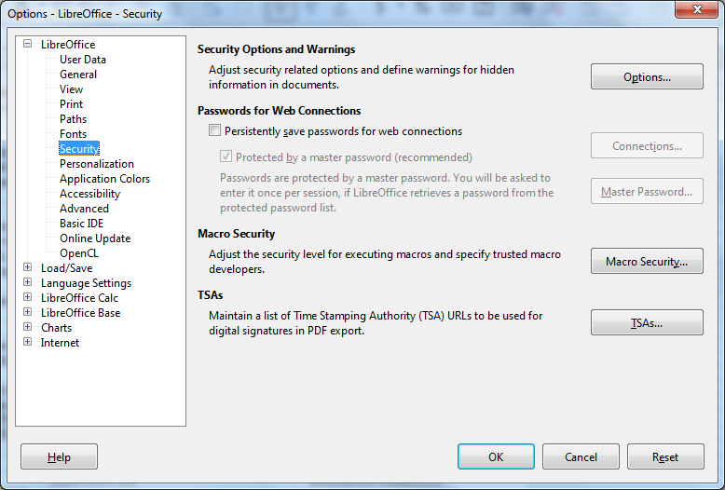

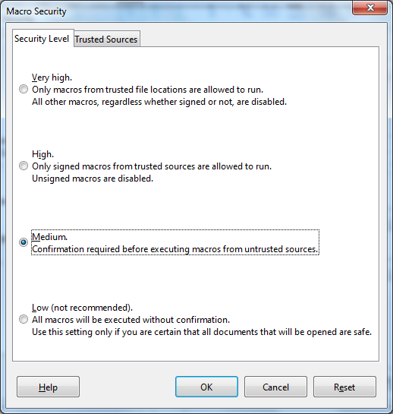

 |  |  | c. | for OpenOffice Calc by going to Tools / Options… / OpenOffice / Security /
 |  |  |  | Macro Security… / Medium; then click "OK" to close the dialog boxes.

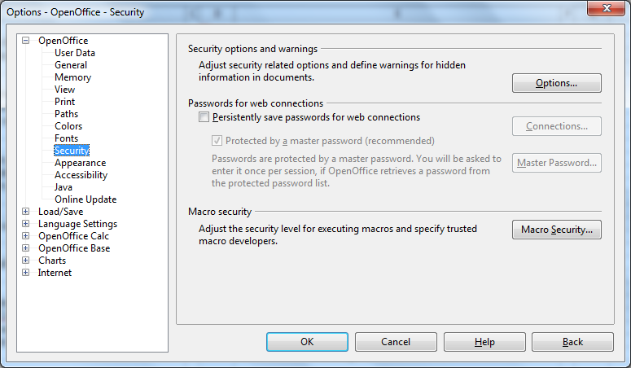

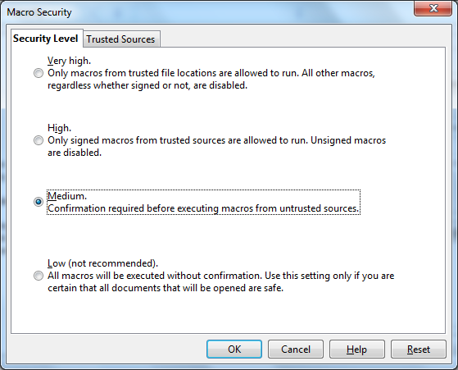

 |  |  | Macros Enabling
 |  |  | 1. | Macros must be enabled so that:
 |  |  | a. | only the applicable worksheets and the applicable Budget rows will appear when "Inbound"
 |  |  |  | or "Outbound" is selected in cell B1 of the Budget worksheet; and
 |  |  | b. | the Inbound Budget Report button will work.

 |  |  | 2. | Once Macros setting is done, close and reopen the template for the enabling option to appear.

 |  |  | 3. | Once the macros setting is set for confirmation before executing them, upon opening a
 |  |  |  | spreadsheet with macros, a dialog box will appear to allow you to enable the macros for that
 |  |  |  | spreadsheet
 |  |  | a. | For Excel, a security warning will appear below the menus, click on Options…, and
 |  |  |  | select Enable this content and Click "OK" to close the dialog box.

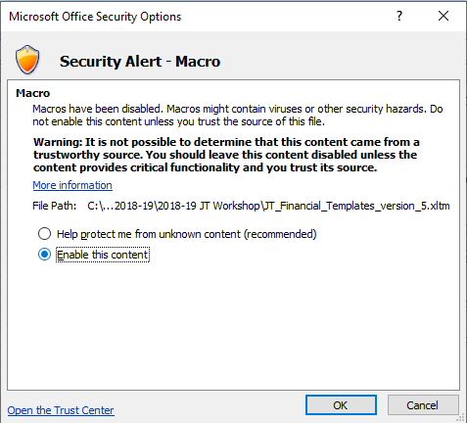

 |  |  | b. | for LibreOffice Calc, a security warning will appear when you open a file containing macros.
 |  |  |  | select Enable Macros.

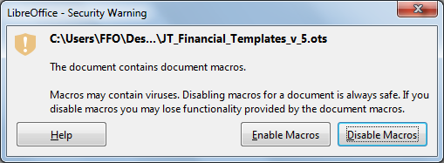

 |  |  | c. | for OpenOffice Calc, a security warning will appear when you open a file containing macros.
 |  |  |  | select Enable Macros.

